Exercise
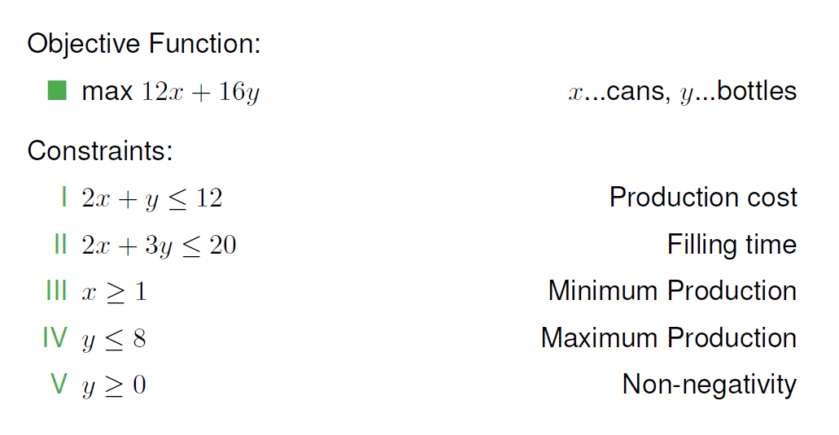

 | x | y
 | 4 | 4 |  | Objective | 0 | 0
Coeff. | 12 | 16 |  | 112

Constraints |  |  | Limit | Value
(I) | 2 | 1 | 12 | 12
(II) | 2 | 3 | 20 | 20
(III) | 0 | 1 | 8 | 4
(IV) | 1 | 0 | 1 |  | 4
(V) | 0 | 1 | 0 |  | 4

